Annoration Guidelines
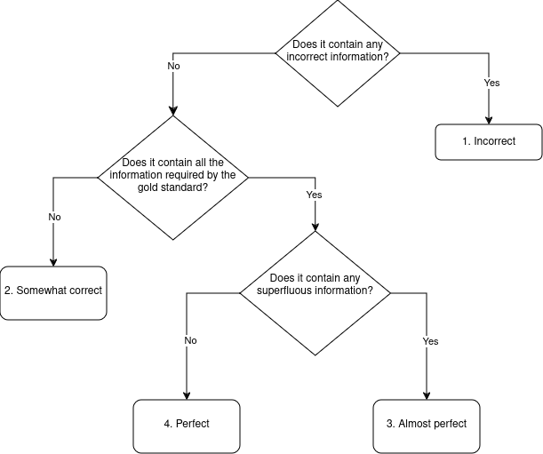
Annotation Guidelines

4. Perfect (Matching the GOLD description or better): Matching the gold description without extra, redundant information. To redundant information, descriptions which do not provide usefull additional information, is categorized. Example: <Gold description> + "is a primary/foreign key (NOT REDUNDANT)", <Gold description> + "is usefull for retrieveing data" (REDUNDANT) 3. Almost Perfect Matching the GOLD description but verbose with redundant information (whithout any incorrect or missleading information). 2. Somewhat correct: The column description is somewhat correct, but there is room for improvement due to missing information. Example: The Time column records the specific time at which a transaction occurred, formatted in a 24-hour HH:MM:SS pattern. Not enough information to make a valid prediction beyond the primary purpose. 1. Incorrect: The column description is incorrect. Contains innacurrate or missleading information. Could still contain correct information but any incorrect information automatically leads to an incorrect rating. No description: The column description is missing. The models are instructed to output "Not enough information to make a valid prediction." if they can't figure out a good column description.

